Sheet1
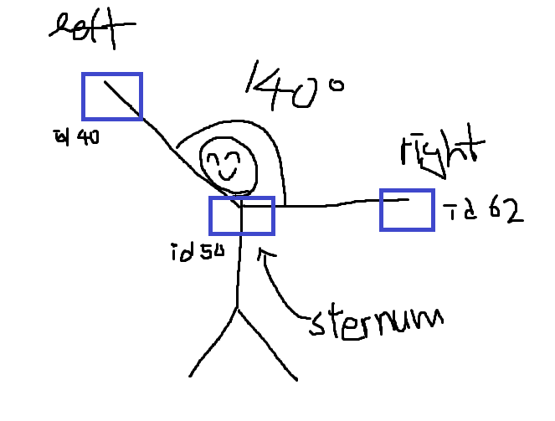
Aruco Marker ID | id40 | id50 | id62
Coordinate | leftarm | Body(sternum) | rightarm
x | -4.6175571665 | -7.1620505559 | -24.590463198
y | -0.54148126359 | -5.7298785601 | -14.563972962
z | 17.536176658 | 20.220708239 | 46.936534708

 | 50 to 40 | 50 to 62
x | 2.5444933894 | -17.428412643
y | 5.1883972966 | -8.834094402
z | -2.6845315807 | 26.715826469
Legth | 6.3718618098 | 33.098733738
dot product | -161.90075213

angle between two arms |  | 140.14457335 | in degree

